Datailed Inquiry Information
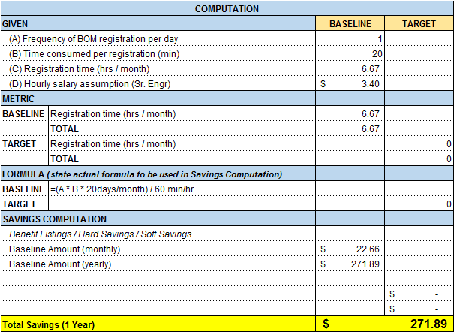
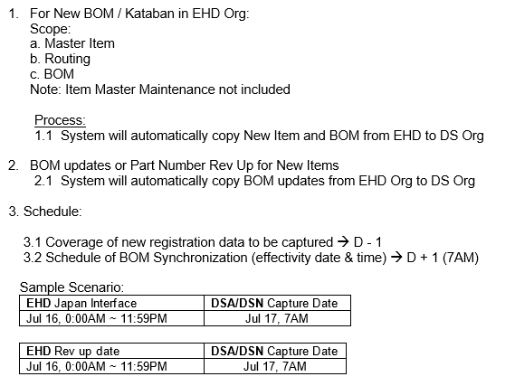
Detailed Inquiry Information

 | BEFORE:
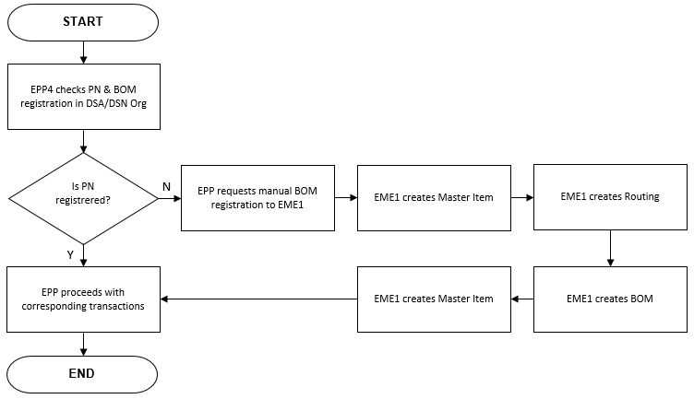

 | AFTER:
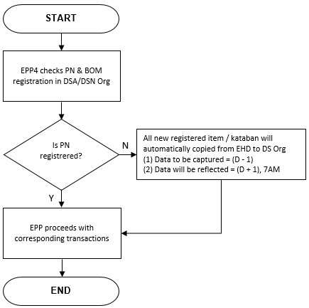

 | SAVINGS:

Detailed Investigation Result
Detailed Investigation Result

 | OBJECTS to Apply

 | MIGRATION (Manual Execution only)

 | DSA | DSN

 | TEMPLATES SETUP

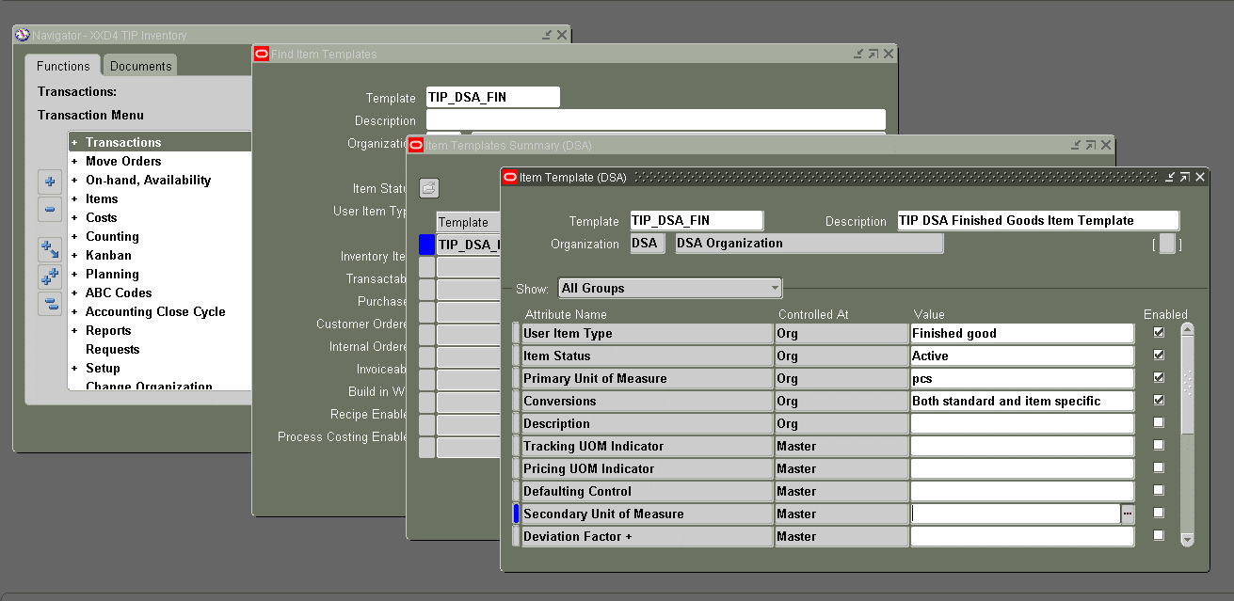

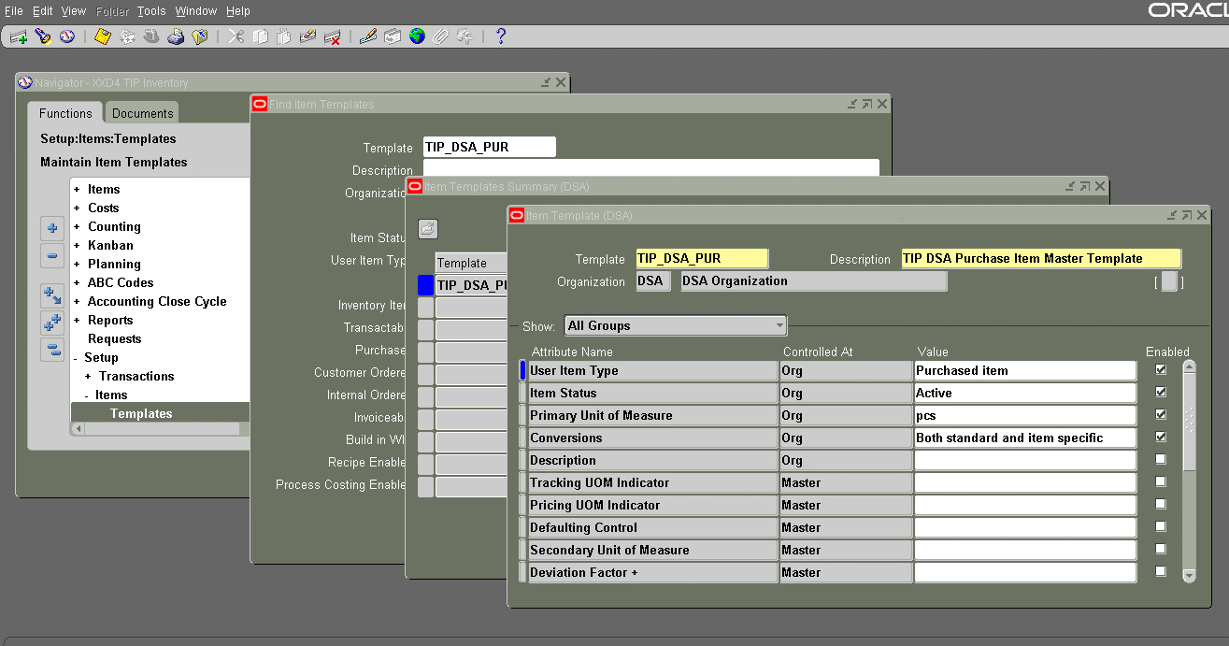

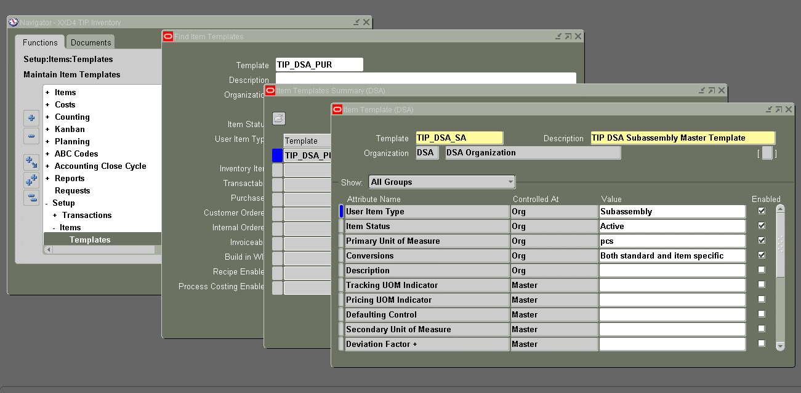

 | _B will be removed in live environment

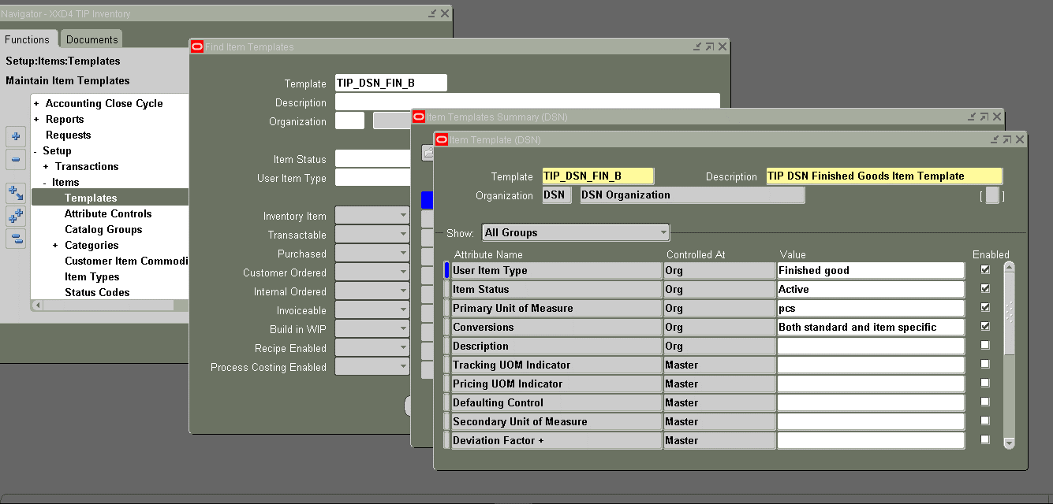



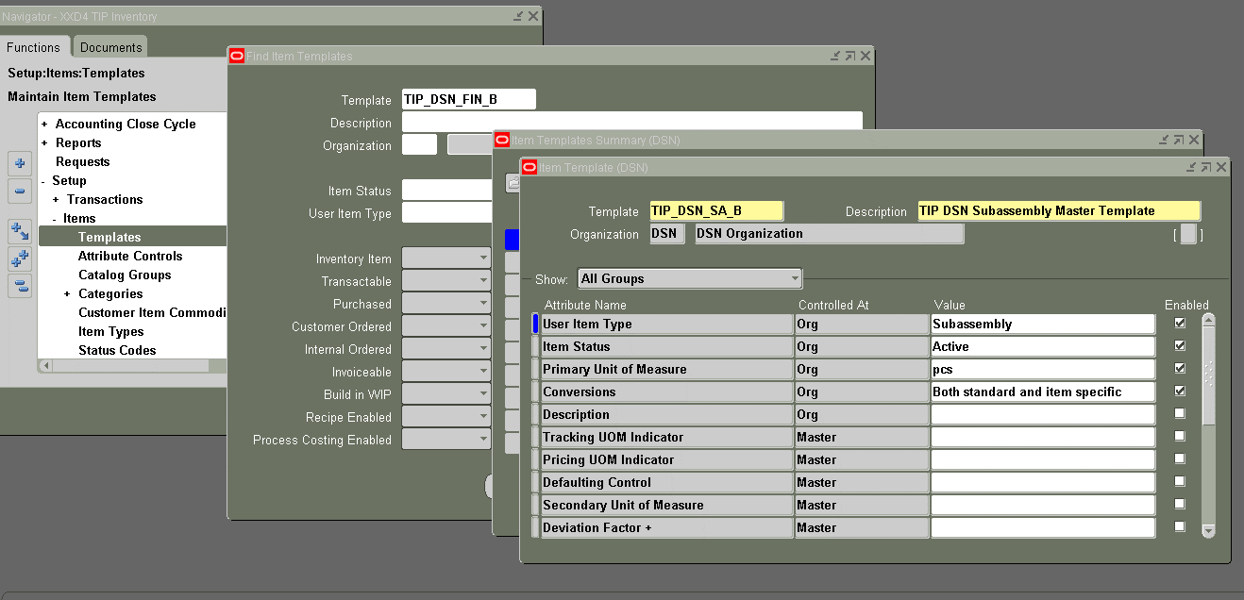

 | PROGRAM SETUP

Helpdesk Request
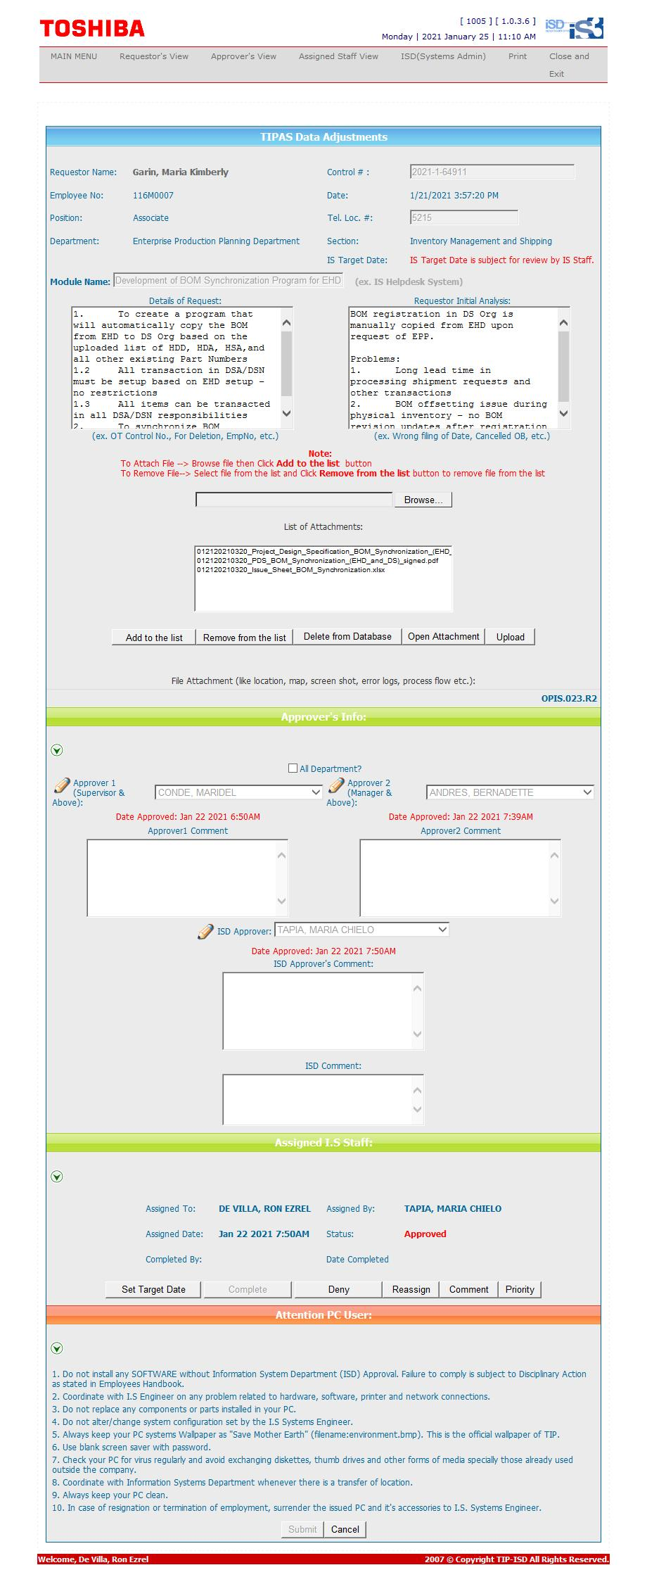
Helpdesk Request

 | ATTACH SCREENSHOT OF HELPDESK REQUEST.

